Sheet1
Name | Shubham Balavant Randive
User Name | s23abap8 |  | Task No 01 | sy-uline | AND | Task No 02 | sy-vline | *&---------------------------------------------------------------------*
Assingment | 04_Classical_Report_Events |  |  |  |  |  |  | *& Report ZASSIGN_NO_04
 |  |  | Output |  | Program name | ZSQLJOINS_SHUBHAM |  | *&---------------------------------------------------------------------*
 |  |  |  |  |  |  |  | *&
 |  |  |  |  |  |  |  | *&---------------------------------------------------------------------*
TR | A4HK904241 |  |  |  |  |  |  | REPORT zassign_no_04.
Package | ZPROGRAMS_SHUBHAM_ABAP

Program Name | ZSQLJOINS_SHUBHAM | For sy-uline and sy-vline |  |  |  |  |  | *ORD_NO | ZORD
Program Name | ZASSIGN_NO_04 | For Message class and events |  |  |  |  |  | *ORD_DATE | ZODATE
 |  |  |  |  |  |  |  | *ORD_PAY ZPAY

 |  |  |  |  |  |  |  | TYPES: BEGIN OF lty_data,
 |  |  |  |  |  |  |  | ord_no TYPE zord,
Task No | Name Of Task | Status |  |  |  |  |  | ord_date TYPE zodate,
01 | sy-uline | Completed |  |  |  |  |  | ord_pay TYPE zpay,
02 | sy-vline | Completed |  |  |  |  |  | ord_curr TYPE zcuk,
03 | Message Class | Completed |  |  |  |  |  | END OF lty_data.
04 | Initialization | Completed
05 | At Selection-Screen | Completed |  |  |  |  |  | DATA: lt_data TYPE TABLE OF lty_data,
06 | Start-of-selection | Completed |  |  |  |  |  | lwa_data TYPE lty_data,
07 | End-of-selection | Completed |  |  |  |  |  | lv_ord TYPE zord,
 |  |  |  |  |  |  |  | lv_date TYPE zodate,
 |  |  | Task No 03 | Message Class |  |  |  | lv_pay TYPE zpay.

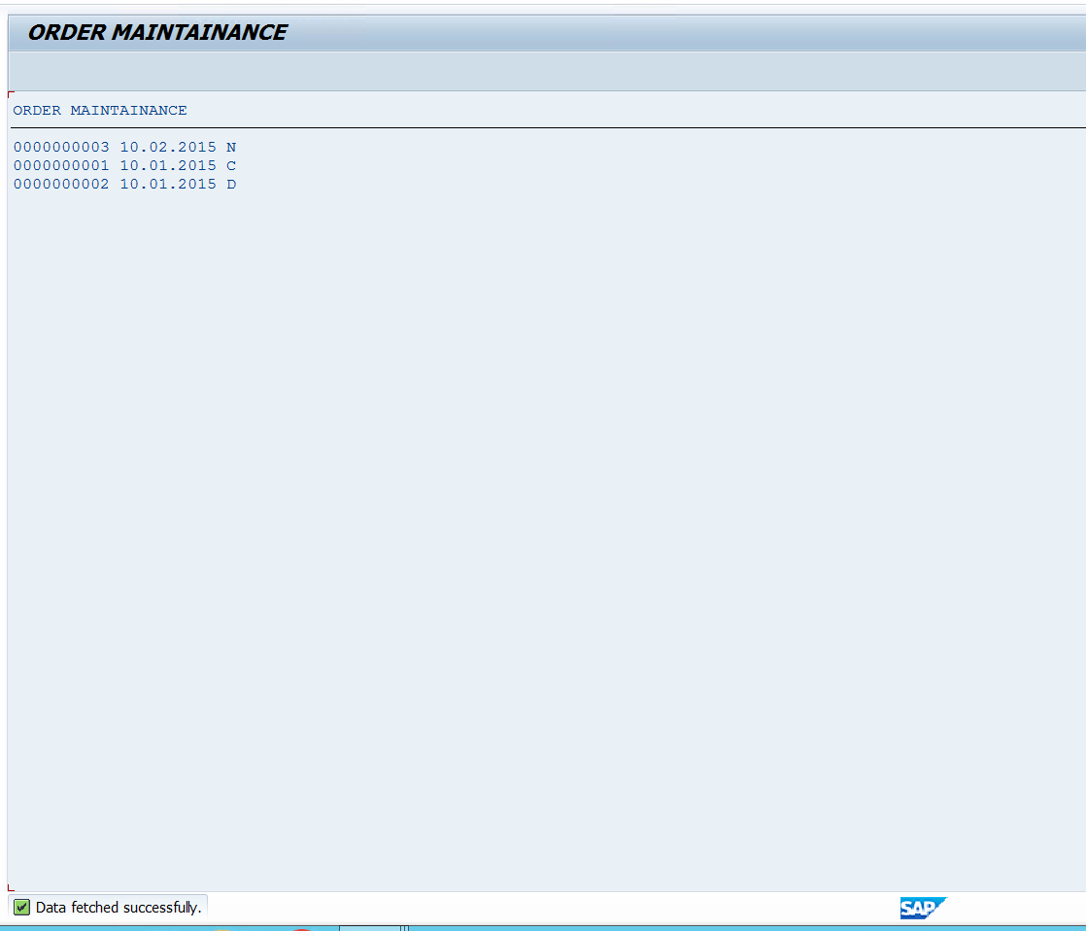
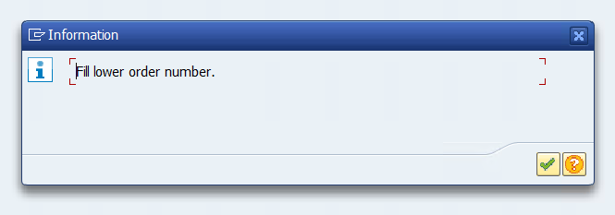
 |  |  | Message Class Name | ZMESSAGESHUBHAM |  | Program Name | ZASSIGN_NO_04 | SELECT-OPTIONS : sord_no FOR lv_ord NO-EXTENSION,
 |  |  |  |  |  |  |  | sord_dat FOR lv_date NO-EXTENSION,
 |  |  |  |  |  |  |  | sord_pay FOR lv_pay NO INTERVALS.

 |  |  |  |  |  |  |  | * I WANT TO IMPLEMENT THE MESSAGE CLASS ON THIS

 |  |  |  |  |  |  |  | IF sord_no-low = ''.
 |  |  |  |  |  |  |  | MESSAGE i002(zmessageshubham).
 |  |  |  |  |  |  |  | * MESSAGE e000(zmessageshubham).
 |  |  |  |  |  |  |  | * MESSAGE w000(zmessageshubham).
 |  |  |  |  |  |  |  | * MESSAGE s000(zmessageshubham).
 |  |  |  |  |  |  |  | * MESSAGE a000(zmessageshubham).
 |  |  |  |  |  |  |  | * MESSAGE x000(zmessageshubham).
 |  |  |  |  |  |  |  | ELSEIF sord_pay-low = ''.
 |  |  |  |  |  |  |  | MESSAGE i005(zmessageshubham).
 |  |  |  |  |  |  |  | ENDIF.

 |  |  |  |  |  |  |  | INITIALIZATION.
 |  |  |  |  |  |  |  | sord_no-sign = 'I'.
 |  |  |  |  |  |  |  | sord_no-option = 'BT'.
 |  |  |  |  |  |  |  | sord_no-low = 1.
 |  |  |  |  |  |  |  | sord_dat-low = sy-datum - 5000.
 |  |  |  |  |  |  |  | sord_dat-high = sy-datum.
 |  |  |  |  |  |  |  | APPEND : sord_no, sord_dat.

 |  |  |  |  |  |  |  | AT SELECTION-SCREEN.
 |  |  |  |  |  |  |  | IF sord_pay IS NOT INITIAL.
 |  |  |  |  |  |  |  | IF sord_pay-low <> 'C' AND sord_pay-low <> 'N' AND sord_pay-low <> 'D'.
 |  |  |  |  |  |  |  | MESSAGE i004(zmessageshubham).
 |  |  | Task No 03 | Initialization |  | Program Name | ZASSIGN_NO_04 | ENDIF.
 |  |  |  |  |  |  |  | ENDIF.

 |  |  |  |  |  |  |  | START-OF-SELECTION.
 |  |  | INITIALIZATION. sord_no-sign = 'I'. sord_no-option = 'BT'. sord_no-low = 1. sord_dat-low = sy-datum - 5000. sord_dat-high = sy-datum. APPEND : sord_no, sord_dat. |  |  |  |  | IF sord_no-low IS NOT INITIAL AND sord_pay IS NOT INITIAL AND sord_dat IS NOT INITIAL.
 |  |  |  |  |  |  |  | SELECT ord_no ord_date ord_pay ord_curr
 |  |  |  |  |  |  |  | FROM zss_order
 |  |  |  |  |  |  |  | INTO TABLE lt_data
 |  |  |  |  |  |  |  | WHERE ord_no IN sord_no AND ord_date IN sord_dat AND ord_pay IN sord_pay.

 |  |  |  |  |  |  |  | IF lt_data IS NOT INITIAL.
 |  |  |  |  |  |  |  | MESSAGE s003(zmessageshubham).
 |  |  |  |  |  |  |  | ENDIF.
 |  |  |  |  |  |  |  | ENDIF.

 |  |  |  |  |  |  |  | LOOP AT lt_data INTO lwa_data.
 |  |  |  |  |  |  |  | WRITE : / lwa_data-ord_no UNDER text-002,
 |  |  | Task No 04 | At Selection-Screen |  | Program Name | ZASSIGN_NO_04 | lwa_data-ord_date UNDER text-003,
 |  |  |  |  |  |  |  | lwa_data-ord_pay UNDER text-004,
 |  |  |  |  |  |  |  | lwa_data-ord_curr UNDER text-005.
 |  |  | AT SELECTION-SCREEN. IF sord_pay IS NOT INITIAL. IF sord_pay-low <> 'C' AND sord_pay-low <> 'N' AND sord_pay-low <> 'D'. MESSAGE i004(zmessageshubham). ENDIF. ENDIF. |  |  |  |  | ENDLOOP.

 |  |  |  |  |  |  |  | END-OF-SELECTION.

 |  |  |  |  |  |  |  | TOP-OF-PAGE.
 |  |  |  |  |  |  |  | write: SY-PAGNO.
 |  |  |  |  |  |  |  | write: / text-002, 15 text-003, 27 text-004, 41 text-005.

 |  |  | Task No 04 | Start-of-selection |  | Program Name | ZASSIGN_NO_04

 |  |  | START-OF-SELECTION. IF sord_no-low IS NOT INITIAL AND sord_pay IS NOT INITIAL AND sord_dat IS NOT INITIAL. SELECT ord_no ord_date ord_pay FROM zss_order INTO TABLE lt_data WHERE ord_no IN sord_no AND ord_date IN sord_dat AND ord_pay IN sord_pay. MESSAGE s003(zmessageshubham). ENDIF.

